Sheet4
B1. | Tạo project Gradle
B2. | Thêm thư viện spring compile group: 'org.springframework', name: 'spring-webmvc', version: '5.3.2'
B3. | Rebuild gradle
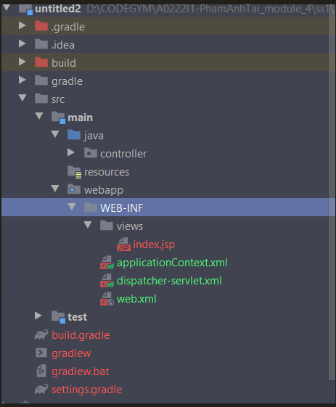
B4. | Tạo file theo cấu trúc thư mục

B5. | File -> Project Structure -> Modules

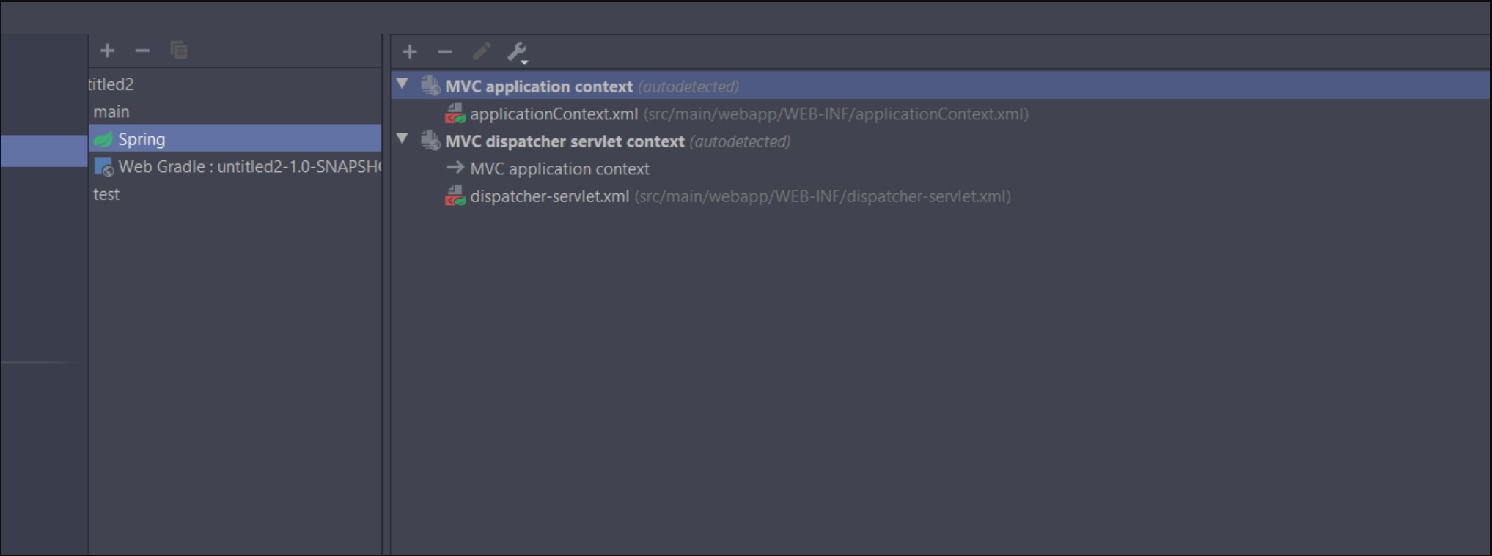

B6. | OK -> rebuild Gradle

